Region Map
North

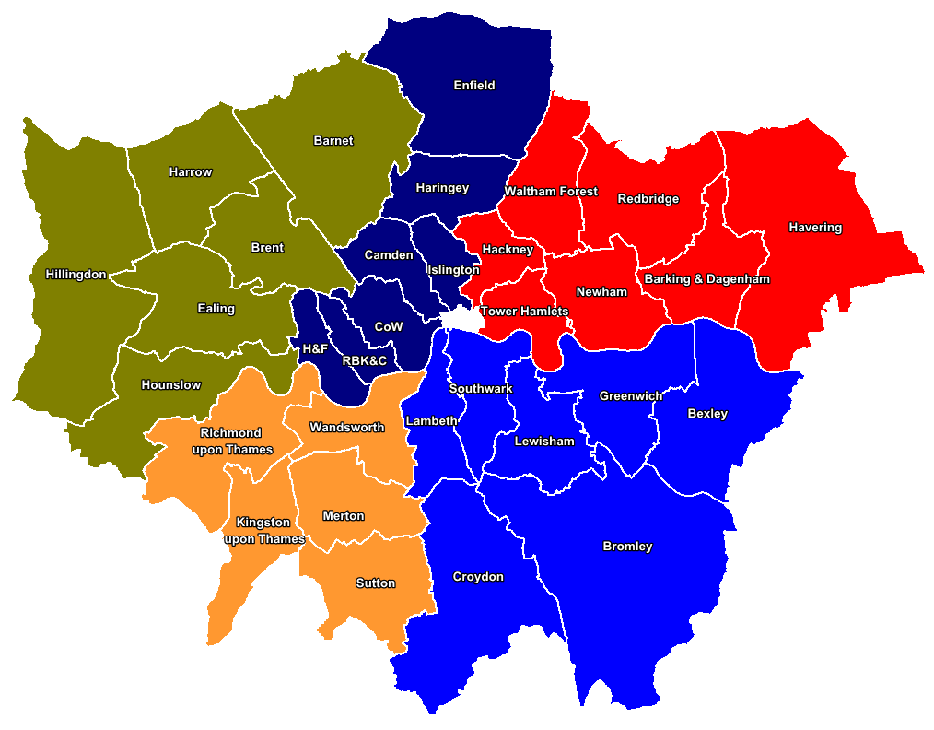

West
East

South West
South East

CPS conviction data
Domestic Violence Conviction Rates by magistrates court
 |  |  | 2014/15-Q1 |  |  | 2014/15-Q2
 | Successful Outcomes (Convictions) | Prosecutions | % Conviction | Successful Outcomes (Convictions) | Prosecutions | % Conviction
National | 13554 | 18326 | 74.0% | 15325 | 20777 | 73.8%
London | 1525 | 2345 | 65.0% | 1682 | 2496 | 67.4%
Central London Unit | 134 | 182 | 73.6% | 90 | 141 | 63.8%
City and Economic Crime | 8 | 9 | 88.9% | 3 | 4 | 75.0%
CPS London BTP | 11 | 14 | 78.6% | 13 | 14 | 92.9%
Hammersmith Borough | 43 | 51 | 84.3% | 23 | 34 | 67.6%
Kensington Borough | 39 | 52 | 75.0% | 20 | 32 | 62.5%
Westminster Borough | 33 | 56 | 58.9% | 31 | 57 | 54.4%
East London Unit | 224 | 339 | 66.1% | 218 | 335 | 65.1%
Hackney Borough | 66 | 95 | 69.5% | 61 | 91 | 67.0%
Newham Borough | 47 | 74 | 63.5% | 41 | 63 | 65.1%
Tower Hamlets Borough | 53 | 79 | 67.1% | 68 | 98 | 69.4%
Waltham Forest Borough | 58 | 91 | 63.7% | 48 | 83 | 57.8%
North East London Unit | 147 | 210 | 70.0% | 160 | 216 | 74.1%
Barking Borough | 56 | 78 | 71.8% | 56 | 75 | 74.7%
Havering Borough | 48 | 61 | 78.7% | 56 | 72 | 77.8%
Redbridge Borough | 43 | 71 | 60.6% | 48 | 69 | 69.6%
North London Unit | 139 | 243 | 57.2% | 182 | 281 | 64.8%
Camden Borough | 22 | 37 | 59.5% | 20 | 33 | 60.6%
Enfield Borough | 44 | 88 | 50.0% | 53 | 85 | 62.4%
Haringey Borough | 39 | 68 | 57.4% | 46 | 77 | 59.7%
Islington Borough | 34 | 50 | 68.0% | 63 | 86 | 73.3%
North West London Unit | 162 | 252 | 64.3% | 191 | 293 | 65.2%
Barnet Borough | 56 | 88 | 63.6% | 69 | 97 | 71.1%
Brent Borough | 68 | 99 | 68.7% | 65 | 106 | 61.3%
Harrow Borough | 38 | 65 | 58.5% | 57 | 90 | 63.3%
South East London Unit | 207 | 302 | 68.5% | 253 | 361 | 70.1%
Bexley Borough | 37 | 48 | 77.1% | 44 | 65 | 67.7%
Bromley Borough | 48 | 63 | 76.2% | 45 | 69 | 65.2%
Greenwich Borough | 52 | 76 | 68.4% | 97 | 119 | 81.5%
Lewisham Borough | 70 | 115 | 60.9% | 67 | 108 | 62.0%
South London Unit | 238 | 347 | 68.6% | 243 | 346 | 70.2%
Croydon Borough | 55 | 94 | 58.5% | 69 | 101 | 68.3%
Lambeth Borough | 77 | 109 | 70.6% | 77 | 115 | 67.0%
Southwark Borough | 62 | 86 | 72.1% | 54 | 80 | 67.5%
Sutton Borough | 44 | 58 | 75.9% | 43 | 50 | 86.0%
South West London Unit | 106 | 166 | 63.9% | 135 | 206 | 65.5%
Kingston Borough | 22 | 28 | 78.6% | 26 | 36 | 72.2%
Richmond Borough | 29 | 45 | 64.4% | 26 | 39 | 66.7%
Wandsworth Borough | 34 | 53 | 64.2% | 44 | 72 | 61.1%
Wimbledon Borough | 21 | 40 | 52.5% | 39 | 59 | 66.1%
West London Unit | 163 | 297 | 54.9% | 206 | 313 | 65.8%
Ealing Borough | 75 | 123 | 61.0% | 83 | 124 | 66.9%
Hillingdon Borough | 42 | 90 | 46.7% | 65 | 104 | 62.5%
Hounslow Borough | 46 | 84 | 54.8% | 58 | 85 | 68.2%
Homicide Team | 2 | 2 | 100.0% | 0 | 0 | 0.0%
London Traffic Unit | 0 | 0 | 0.0% | 0 | 0 | 0.0%
Miscellaneous | 8 | 12 | 66.7% | 8 | 8 | 100.0%
Special Casework Unit - London | 0 | 0 | 0.0% | 0 | 0 | 0.0%
CPS data is available through the Case Management System (CMS) and associated Management Information System (MIS). The CPS collects data to assist in the effective management of its prosecution functions. The CPS does not collect data which constitutes official statistics as defined in the Statistics and Registration Service Act 2007. This data has been drawn from the CPS’s administrative IT system, which (as with any large scale recording system) is subject to possible errors with data entry and processing. The figures are provisional and subject to change as more information is recorded by the CPS.
Please note that Borough data is compiled using the police URN prefix as CPS London no longer works under a borough structure.

